Portfolio
 |  | Cost to Project |  | Available for Disbursal
Project Type | Discount | Startup | Annual | Startup | Annual
Humanitarian | 90% | $8,316 | $91,728 | $2,376 | $26,208 | How many of these (Humanitarian Projects) would it take for us to reach January 2025 and finance the mini-conference?
Consultancy | 50% | $41,580 | $458,640 | $11,880 | $131,040 | And how much of the backlog of IOUs could we service?
Commercial | none | $83,160 | $917,280 | $23,760 | $262,080 | And with that number of Humanitarian projects (after their ‘startup’) how many Trainees in the pool?

 | Startup
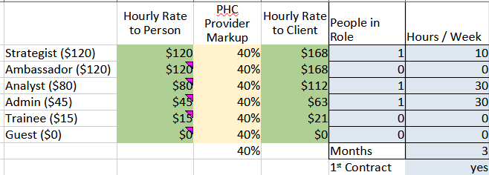

 | Annual
